Sheet1
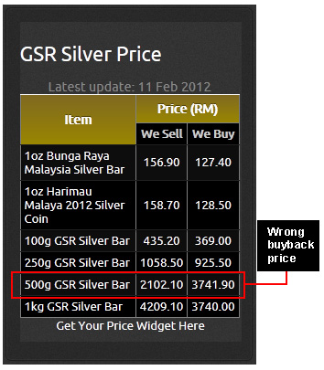
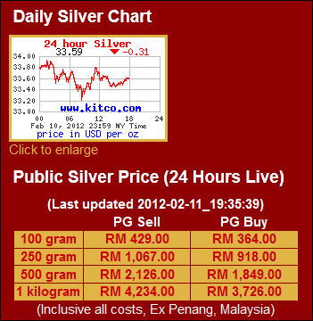
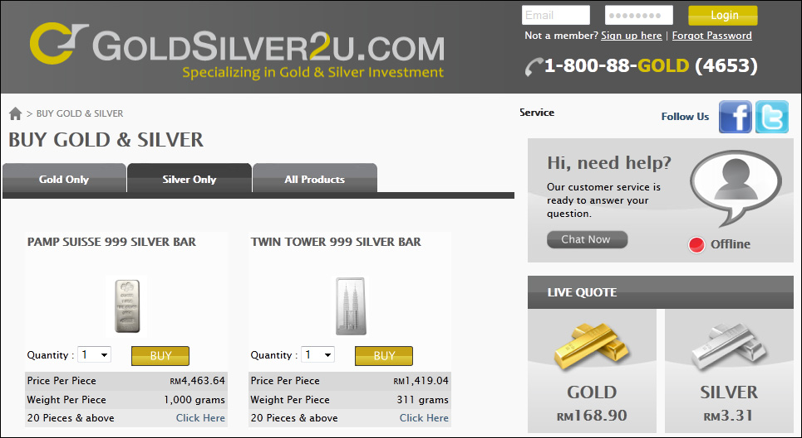
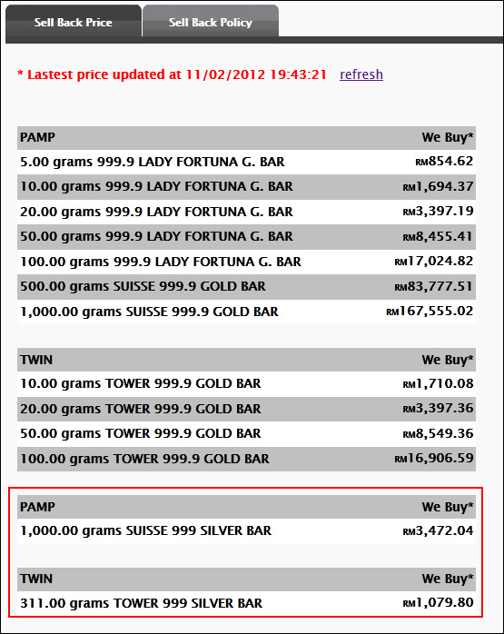
InvestSilverMalaysia.com
Calculating Silver Spot Price
# | Silver Bullion Product | Spot Price (MYR) | Retail Price | Buyback Price | Size in Ozt | Price Per Ozt | Price Above Spot | Buyback Spread
Gold Silver Resources - gsr2u.com.my
1 | 1oz Bunga Raya Malaysia Silver Bar | 102.90 | 156.90 | 127.40 | 1.00 | 156.90 | 52.5% | 23.2%
2 | 1oz Harimau Malaya 2012 Silver Coin | 102.90 | 158.70 | 128.50 | 1.00 | 158.70 | 54.2% | 23.5%
3 | 100g GSR Silver Bar | 102.90 | 435.20 | 369.00 | 3.21 | 135.39 | 31.6% | 17.9%
4 | 250g GSR Silver Bar | 102.90 | 1,058.50 | 925.50 | 8.04 | 131.72 | 28.0% | 14.4%
5 | 500g GSR Silver Bar | 102.90 | 2,102.10 | 3,741.90 | 16.07 | 130.79 | 27.1% | -43.8%
6 | 1 kilogram GSR Silver Bar | 102.90 | 4,209.10 | 3,740.00 | 32.14 | 130.95 | 27.3% | 12.5%

Public Gold International Bhd - publicgold.com.my
1 | Public Gold 100 gram | 102.90 | 429.00 | 364.00 | 3.21 | 133.46 | 29.7% | 17.9%
2 | Public Gold 250 gram | 102.90 | 1,067.00 | 918.00 | 8.04 | 132.78 | 29.0% | 16.2%
3 | Public Gold 500 gram | 102.90 | 2,126.00 | 1,849.00 | 16.07 | 132.28 | 28.6% | 15.0%
4 | Public Gold 1 kilogram | 102.90 | 4,234.00 | 3,726.00 | 32.14 | 131.72 | 28.0% | 13.6%

MyTomei Sdn Bhd - goldsilver2.com
1 | Twin Tower 999 10oz | 102.90 | 1,419.04 | 1,079.80 | 10.00 | 141.90 | 37.9% | 31.4%
2 | Pamp Suisse 1 kilogram | 102.90 | 4,463.64 | 3,472.04 | 32.14 | 138.86 | 35.0% | 28.6%

Author: kh@investsilvermalaysia.com
Figure and Screen captured on 11 Feb 2012
Updated: 3 Mar 2012
Disclaimer: The author holds no responsibility on the accuracy of the data. Data are to be used as references only and not for any investment purposes.

